Per Diem Rates
Category | Standard Per Diem Rates | High Cost Per Diem Rates
Breakfast | 14 | 17
Lunch | 16 | 18
Dinner | 29 | 34
Incidentals | 5 | 5
Total | 64 | 74

High-cost localities. The following localities have a per diem rate of $74 , and are high-cost localities for the specified portion of the calendar year.

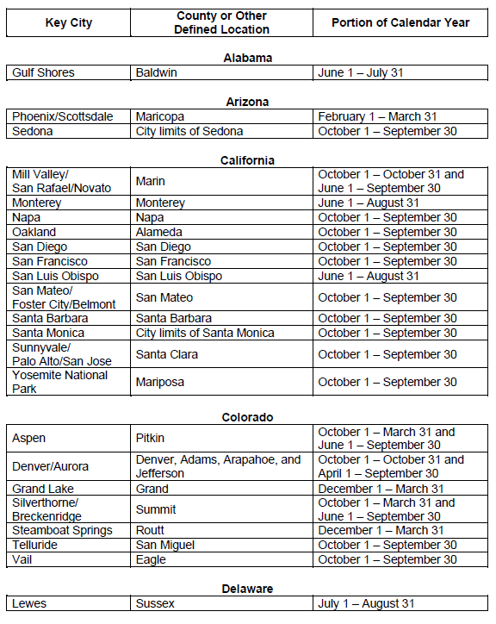

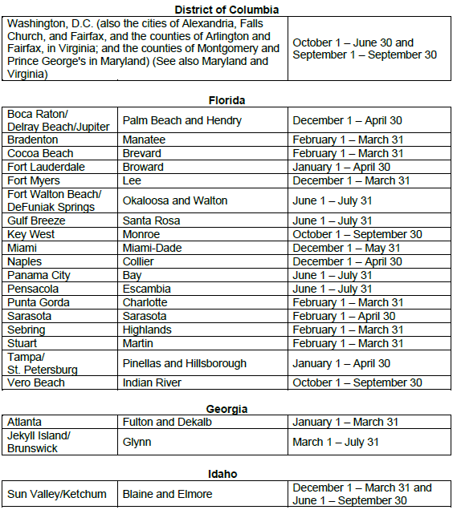

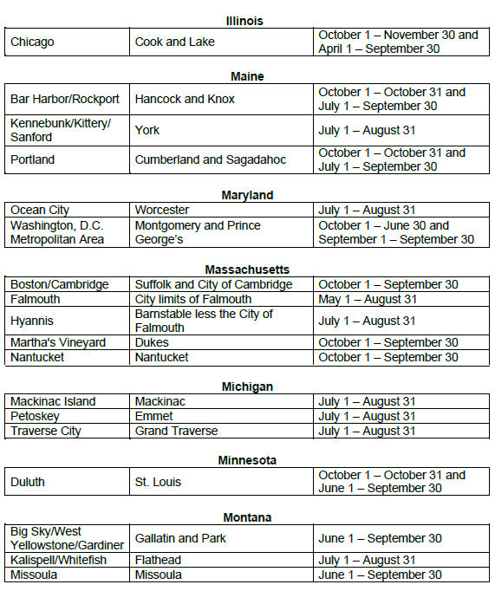

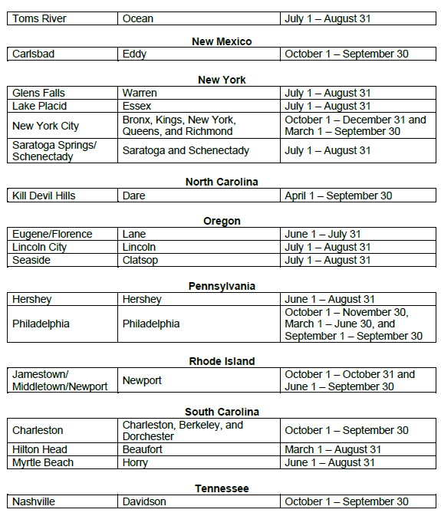

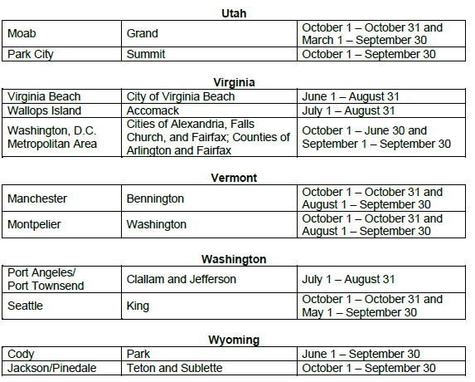

Source: | https://www.irs.gov/pub/irs-drop/n-23-68.pdf

